Dashboard
Coca-Cola Retailers Dashboard USA
Figures in USD($)
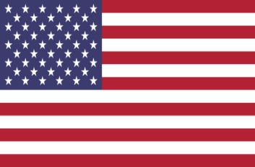

Total Sales
Average Price Per Unit
Units Sold
Operating Profit

$24,23,733
$0.51
46,23,490
$9,01,551

Sales By Beverage Brand |  |  |  | Sales By Retailer
Beverage Brand | Sales 2022 | Sales 2023 | Variance | Retailer | Sales 2022 | Sales 2023 | Variance
Coca-Cola | 499102 | 2268974.9 | 1769872.9 | Amazon | 276210 | 1009698.7 | 733488.7
Dasani Water | 469270.7 | 1917827.8 | 1448557.1 | BevCo | 466788 | 2327606.5 | 1860818.5
Diet Coke | 423758.7 | 1633959.3 | 1210200.6 | FizzyCo | 161210.1 | 2262827.1 | 2101617
Fanta | 315489.2 | 1116062.9 | 800573.7 | Target | 9250.3 | 1341995 | 1332744.7
Powerade | 349533.9 | 1302529.3 | 952995.4 | Walmart | 339912.5 | 580211 | 240298.5
Sprite | 366578 | 1353578.3 | 987000.3 | West Soda | 1170361.6 | 2070594.2 | 900232.6
Grand Total | 2423732.5 | 9592932.5 | 7169200 | Grand Total | 2423732.5 | 9592932.5 | 7169200

Sales & Operating Margin By Quarter
Qtr1 | 692776.1 | 158.69
Qtr2 | 644203.9 | 114
Qtr3 | 719170.4 | 139.08
Qtr4 | 367582.1 | 113.89
Qtr1 | 1877584.3 | 851.47
Qtr2 | 2379424.8 | 900.01

